Sheet1
NO REFUNDS RESERVATION FORM NO REFUNDS

CHICAGO RUBBER GROUP - GOLF OUTING

Village Links of Glen Ellyn |  |  |  |  |  |  |  | Make Check Payable to: Chicago Rubber Group
485 Winchell Way |  |  |  |  |  |  |  | Mail to Mike Szymborski
Glen Ellyn IL, 60137 (630-469-8180) |  |  |  |  |  |  |  | 867 Woodhill Dr.

Thursday, July 20th, 2023 |  |  |  |  |  |  |  | Carol Stream Il, 60188
***Shotgun Start - 11:00 AM*** |  |  |  |  |  |  |  | 262-745-7334 (cell)
Check In - 9:30-10:45 AM |  |  |  |  |  |  |  | michael.a.szymborski@outlook.com

 |  | Note that all retired past rubber group members/officers get 50% discount

 | Coctail Hour: 5:00-6:00 pm
 | Dinner: 6:00 pm (approx)
Names of Foursomes |  |  |  |  |  |  | Late Charges **
(Print or type) |  |  | Golf & Dinner $150.00* | Golf Only $95.00* | Dinner Only $75.00* | Donation $150 recommended
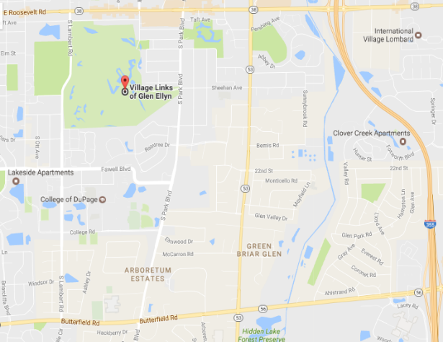
 |  |  |  |  |  |  | 0
 |  |  |  |  |  |  | 0
 |  |  |  |  |  |  | 0
 |  |  |  |  |  |  | 0
 |  |  |  |  |  |  | 0
 |  |  |  |  |  |  | 0
 |  |  |  |  |  |  | 0
 |  |  |  |  |  |  | 0
 |  |  |  | TOTAL AMOUNT*** |  |  | $0.00

Name: |  |  |  |  | All retired past rubber group members/officers get 50% discount
Phone:
E-mail:
Company:

** Important Note - This year is a shotgun start. Please get your reservations in early.
** Late Fee of $5.00/golfer applies to reservations received after 7/1/23

